Edit Conditions
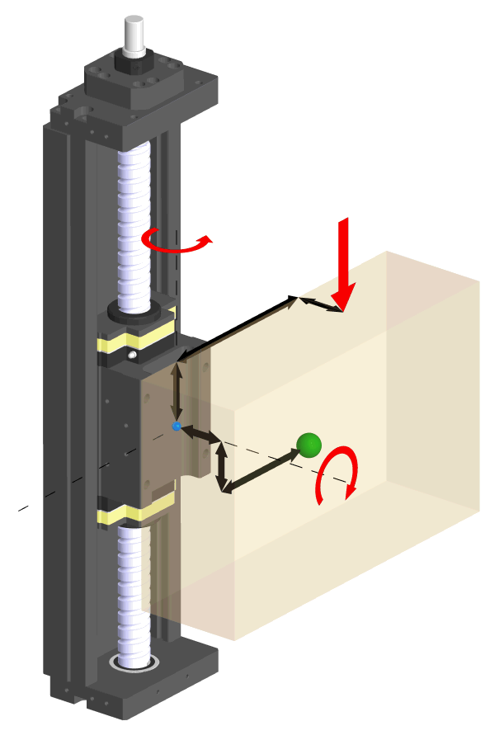
Offset of mass in vertical direction against slider center
External yawing moment, if any
(excluding yawing from acceleration
or gravity of offset mass)
Offset of mass in vertical direction against slider center
Position of axial load during
movement from slider surface center
External axial Load during movement, if any
External rolling moment, if any
Monocarrier - Vertical mounting situation
Offset of mass in moving direction against slider center
NSK Monocarrier Selection Tool: Selection by calculation

 | Mandatory: Select from drop-down list
 | Mandatory: Enter a number
 | Optional: Enter a number only if necessary

 |  | Select / Enter Value | Unit | Comment | Error message, if any
 | Mounting direction | Wall-mount | - | Select from Horizontal, Vertical, Wall-mount. See Fig 1 for details.
 | Operating conditions | Normal | - | Smooth - At smooth operation with no mechanical shock Normal - At normal operation Shock Vibration - At operation with mechanical shock and vibrations
 | Mass to be moved | 50 | Kg | How much weight is mounted onto slider
 | Offset of Mass in vertical direction from slider center | 50 | mm | If the center of gravity of the mass has an offset to the slider center, then enter the figure here.
 | Offset of mass in lateral direction from slider center | 30 | mm | If the center of gravity of the mass has an offset to the slider sideways, then enter the figure here.
 | External axial Load during movement, if any | 15 | N | If there is an external load (other than gravity or acceleration) acting in the axial direction of Monocarrier during movement, then write the value of load and its position here. If there is no load, leave this blank or input 0 (zero)
 | Position of axial load during movement from slider surface | 8 | mm
 | External rolling moment during movement, if any | 13 | Nm | If there is an external load (other than gravity or acceleration) acting to the vertical direction against slider surface, then write the value here.
 | External yawing moment during movement, if any | 11 | Nm | If there is an external load (other than gravity or acceleration) acting to the axial direction of movement, then write the value here.
 | External axial load when stopped, if any | 35 | N | If there is an external load (other than gravity or acceleration) acting in the axial direction of Monocarrier while stopped, then write the value of load and its position here. If there is no load, leave this blank or input 0 (zero)
 | Position of axial load when stopped, from slider surface | 45 | mm
 | External rolling moment when stopped, if any | 27 | Nm | If there is an external rolling moment when stopped, then write the value here. Do not consider rolling moments from the mass.
 | External yawing moment when stopped, if any | 16 | Nm | If there is an external yawing moment when stopped, then write the value here. Do not consider yawing moments from the mass.
 | stroke | 570 | mm | nominal stroke
 | cycle time one way | 8 | sec | estimated time for one way
 | Top speed during movements |  | mm/sec | Should the top speed restricted to a max value, then write the top speed limit here. Otherwise leave this blank.
 | Required maximum stroke | 590 | mm | If you require maximum stroke to be longer than the nominal stroke distance specified above, then input a number here. Otherwise leave this blank.
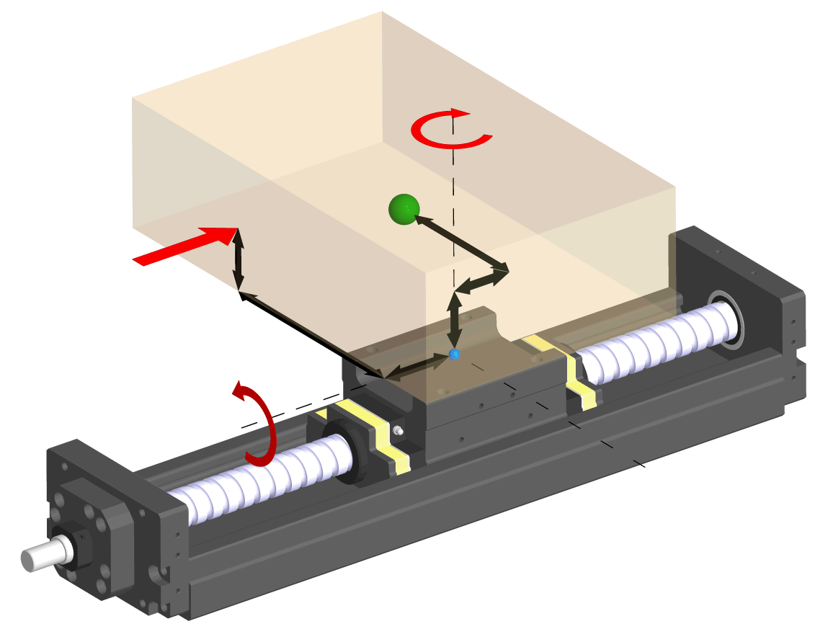
External yawing moment, if any
(excluding yawing from acceleration of mass)
Offset of mass in lateral direction against slider center
Offset of mass in moving direction against slider center
Offset of mass in vertical direction against slider center
External rolling moment, if any
(excluding rolling from offset of mass)
External axial Load during movement,
if any
Position of axial load
during movement from slider center surface
Monocarrier - Horizontal mounting situation

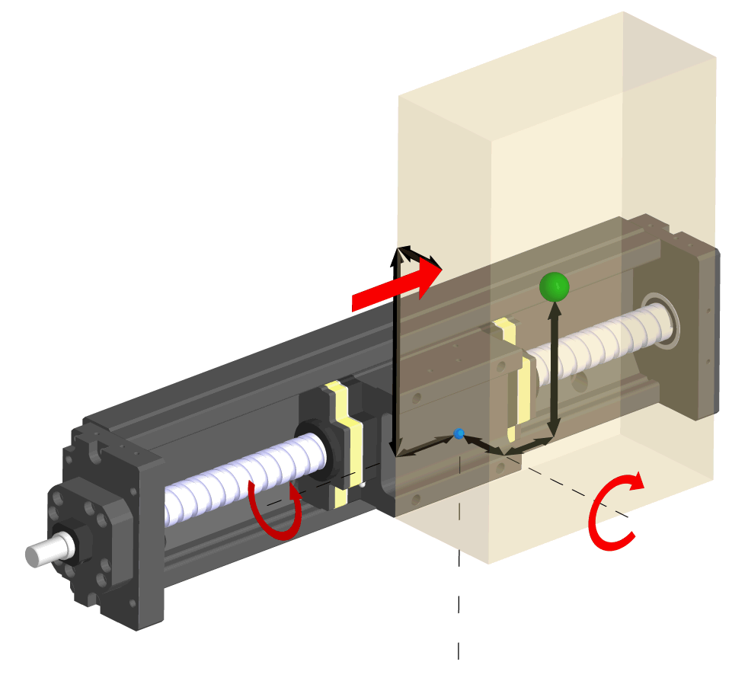
Position of external load during movement from slider center surface
External axial Load during movement, if any
External rolling moment, if any
(excluding rolling from offset of mass)
Offset of mass in
vertical direction
against slider center
External yawing moment, if any
(excluding yawing from acceleration of mass)
Offset of mass in lateral direction against slider center
Monocarrier - Wall mounting situation
Offset of mass in moving direction against slider center

Speed and Load result
NSK Monocarrier Selection Tool: Selection by calculation
 | Reference | Description | Calculation | Unit
 |  | Maximum stroke required | 590 | mm
 | see picture 1 | Top speed with triangular motion V' | 143 | mm/sec
 | see picture 1 | Top speed limit |  | mm/sec
 | see picture 1 | calculated Top speed V | 143 | mm/sec
 | see picture 1 + 2 | Acceleration time t1 | 4.000 | sec
 | see picture 1 +2 | Deceleration time t2 | 4.000 | sec
 | see picture 2 | Constant speed time t3 | 0.000 | sec
 | see picture 1 +2 | Distance moved during acceleration S1 | 285 | mm
 | see picture 1 +2 | Distance moved during deceleration S2 | 285 | mm
 | see picture 2 | Distance moved during constant speed time S3 | 0 | mm
 | see picture 1 +2 | Acceleration a1 | 0.04 | m/sec2
 | see picture 1 +2 | Deceleration a2 | -0.04 | m/sec2

 |  | Maximum length available on Monocarrier | 1200 | mm
 |  | Maximum speed available on Monocarrier | 2500 | mm/sec
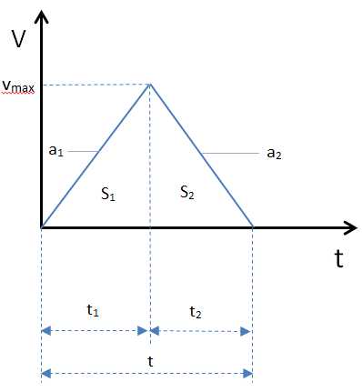
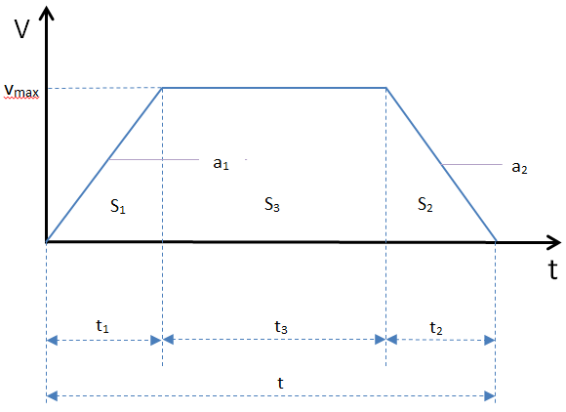

picture 1
picture 2

